Project Dashboard
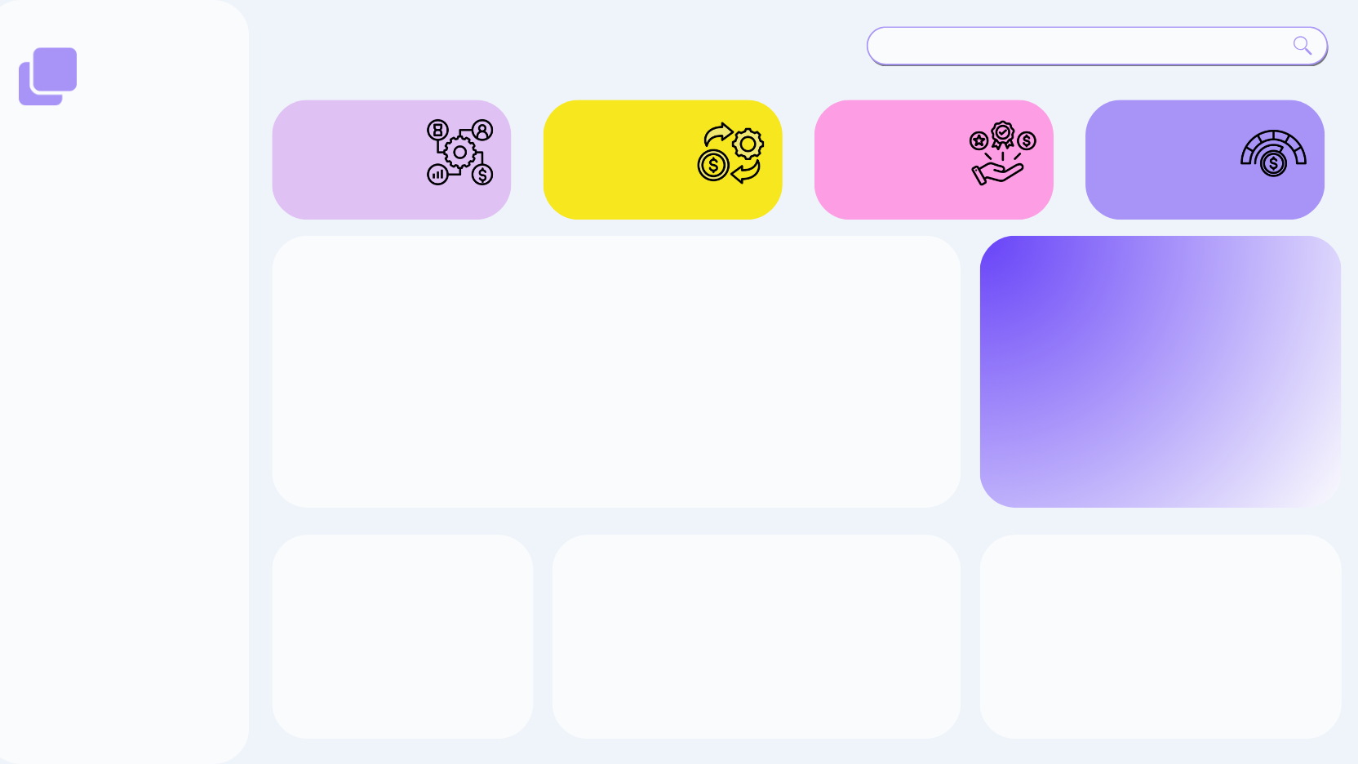
Analytics
Generate Project Key Insights Summary
Project Management Dashboard

Total Project Cost
412 M
Total Project Benefit
874 M
Net Benefit
462 M
Average Completion %
87.01%

Project Cost and Project Benefit by Year
 | Project Cost | Project Benefit
2021 | 93941527 | 203756614
2022 | 114304574 | 237421957
2023 | 67860451 | 149675585
2024 | 64856107 | 141867842
2025 | 70545628 | 141267637

Project Manager

Project Status
 | Total
Cancelled | 27
Completed | 30
In - Progress | 25
On - Hold | 17
Completion by Phase
 | Total
Phase 4 - Implement | 0.83416666667
Phase 1 - Explore | 0.85642857143
Phase 5 - Measure | 0.86173913043
Phase 2 - Develop | 0.88789473684
Phase 3 - Plan | 0.91789473684
Projects by Complexity
 | Total
High | 40
Low | 30
Medium | 29

Project Insights

Key Insights
Key Insights
Generate Project Management Report View
Project Management Dashboard
Project Management Dashboard

Total Project Cost
79 M
Total Project Cost
79 M
Total Project Benefit
177 M
Total Project Benefit
177 M
Net Benefit
99 M
Net Benefit
99 M
Average Completion %
85.70%
Average Completion %
85.70%

Financial Performance
ROI is very strong, with benefits more than double the cost. Decision: Continue investing in similar project portfolios; existing initiatives are yielding high financial returns.
Trend Insight (2021–2025):
- 2022 was peak year for both cost and benefit.
- Costs and benefits declined after 2022, stabilizing in 2024–2025. Decision: Investigate 2022 success factors; recreate those conditions for future growth.
Project Execution & Efficiency
Average Completion Rate: 87.01%
This is excellent, showing strong operational discipline.
Decision: Increase project intake capacity—teams have proven high execution reliability.
Project Complexity Mix
- High Complexity: 40
- Low Complexity: 30
- Medium: 29
High-complexity projects dominate (40)
- Risk
- Cost overruns
- Execution delays

Project Status Breakdown
- Completed: 30
- In-progress: 25
- Cancelled: 27 (High)
- On-hold: 17
High Cancellation Rate
Over 27 projects canceled indicates:
Resource alignment issues
Poor initial planning
Scope changes or funding cuts
Strategic Recommendations Summary
1. Improve project selection to lower cancellations - Implement stronger feasibility and risk checks.
2. Focus on improving the Implementation Phase - Increase resources & tools where execution is poor.
3. Optimize project mix - Reduce dependency on high-complexity projects.
4. Leverage high ROI - Invest further in high-performing departments and PM teams.
5. Recreate 2022 success pattern - Analyze what boosted performance that year.
6. Build PM performance dashboards - Reward high performers and support weaker ones.

